Instructions
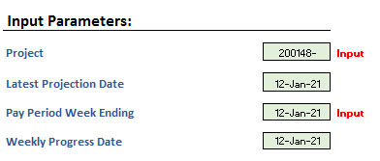

1. Data refresehs upon opening of the sheet, must be logged into the VPN

2. Input page - select Project Number - data will refresh after seletection
 |  | Drop down menu appears once cell is selected
3. Input tab - select Pay Period week ending - data will refresh after selection
 |  | Drop down menu appears once cell is selected

4. If you need to update Progress Entry in Vista, navigate to Vista - if you don’t, skip to step 13
5. Select Job Costs -> Programs -> JC Progress Entry


6. Create a new batch - select ok
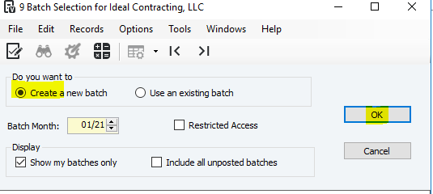

7. Enter date (must be a Tuesday) and enter or select Job (right click or hit F4 for lookup)

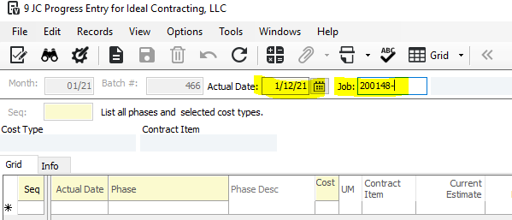

8. Enter Total Completed Units - this number is the total number completed, Newly Completed will self calculate using "Total Completed" - "Current Completed"

9. Save

10. File -> Process Batch

11. Validate and Post

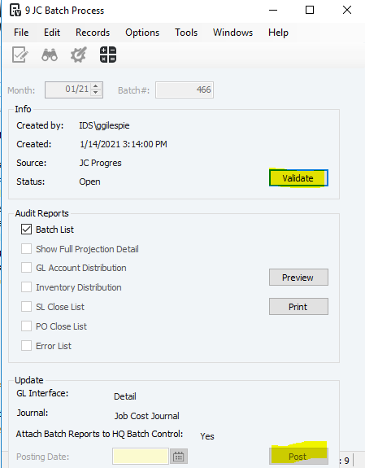

12. Refresh data in Productivity Tracker
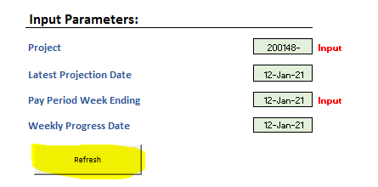

13. Navigate to the User Workbook tab to start inputting data into table - only change cells with column headers "Input"

14. Hit the reset table button if you want to start over on the User Workbook

15. Once you are satisfied with the Weekly Progress updates you have made, go to Import Vista Tab - review

16. hit the Import To Vista button - your updates will be loaded that night

17. Check that data has been loaded to Vista -> User Database -> Programs -> Productivity Tracker Import
 | 17. A - you can also refresh the data in the productivity tracker

18. Click the grid and scan down to see your updated info

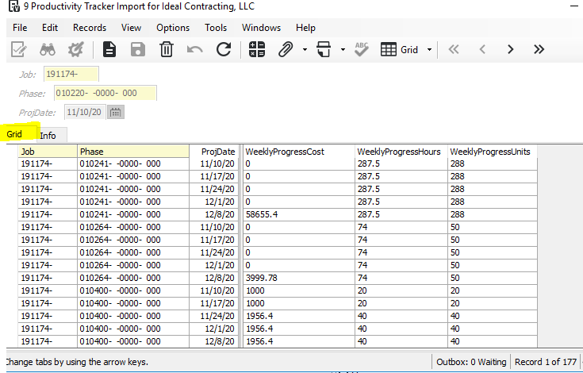

19. If you need to overwrite what you imported last, just update the User Workbook, when finished go to ImportToVista and hit the button.
 | As long as the project number, phases and date is the same, you will overwrite your last entry

Performance Graphic
Project Summary
 | Weekly Progress Hours To Complete | Actual Hours | Period Hours | Weekly Progress Hours Performance
3/3/2020 | 0 | 0 | 0 | 0
3/10/2020 | 0 | 3 | 0 | 0
3/17/2020 | 0 | 22 | 5 | 0
3/24/2020 | 0 | 45 | 29 | 0
3/31/2020 | 0 | 51 | 17 | 0
4/7/2020 | 0 | 51
4/14/2020 | 0 | 51
4/21/2020 | 0 | 51
4/28/2020 | 0 | 51
5/5/2020 | 0 | 74 |  | 0
5/12/2020 | 0 | 80 | 25 | 0
5/19/2020 | 0 | 82 | 6 | 0
5/26/2020 | 0 | 82
6/2/2020 | 0 | 82
6/9/2020 | 0 | 82
6/16/2020 | 0 | 82
6/23/2020 | 0 | 82
6/30/2020 | 0 | 82
7/7/2020 | 0 | 82
7/14/2020 | 0 | 82
7/21/2020 | 0 | 82
7/28/2020 | 0 | 82
8/4/2020 | 0 | 82
8/11/2020 | 0 | 82
8/18/2020 | 0 | 82
8/25/2020 | 0 | 82
9/1/2020 | 0 | 82
9/8/2020 | 0 | 82
9/15/2020 | 0 | 82
9/22/2020 | 0 | 82
9/29/2020 | 0 | 82
10/6/2020 | 0 | 82
10/13/2020 | 0 | 82
10/20/2020 | 0 | 82
10/27/2020 | 0 | 82
11/3/2020 | 0 | 82
11/10/2020 | 0 | 82
11/17/2020 | 0 | 82
11/24/2020 | 0 | 82
12/1/2020 | 0 | 82
12/8/2020 | 0 | 82
12/15/2020 | 0 | 82
12/22/2020 | 0 | 82
12/29/2020 | 0 | 82
1/5/2021 | 0 | 82
1/12/2021 | 72 | 82 | 0 | 171
1/19/2021 | 0 | 82 | 0 | 91
1/26/2021 | 0 | 82
2/2/2021 | 0 | 82 | 0 | 0
2/9/2021 | 0 | 82
...
 |  |  |  |  | Weekly Progress Hours / Cum. Revised Budget Hours
Row Labels | Cum. Revised Budget Hours | Period Hours | Hrs to Date | Weekly Progress Hours At Completion | Weekly Progress Hours To Complete | Weekly Progress Hours Performance | Monthly Projected Hours At Completion | Monthly Projected Hours To Complete | Monthly Performance
2020-03-03 | 90 | 0 | 0 | 0 | 0 | 0 | 0 | 0 | 0
2020-03-10 | 90 | 0 | 3 | 0 | 0 | 0 | 0 | 0 | 0
2020-03-17 | 90 | 5 | 22 | 0 | 0 | 0 | 0 | 0 | 0
2020-03-24 | 90 | 29 | 45 | 0 | 0 | 0 | 0 | 0 | 0
2020-03-31 | 90 | 17 | 51 | 0 | 0 | 0 | 0 | 0 | 0
2020-04-07 | 90 |  | 51 |  | 0 |  | 0 | 0 | 0
2020-04-14 | 90 |  | 51 |  | 0 |  | 0 | 0 | 0
2020-04-21 | 90 |  | 51 |  | 0 |  | 0 | 0 | 0
2020-04-28 | 90 |  | 51 |  | 0 |  | 0 | 0 | 0
2020-05-05 | 90 |  | 74 | 0 | 0 | 0 | 0 | 0 | 0
2020-05-12 | 90 | 25 | 80 | 0 | 0 | 0 | 0 | 0 | 0
2020-05-19 | 90 | 6 | 82 | 0 | 0 | 0 | 0 | 0 | 0
2020-05-26 | 90 |  | 82 |  | 0 |  | 0 | 0 | 0
2020-06-02 | 90 |  | 82 |  | 0 |  | 0 | 0 | 0
2020-06-09 | 90 |  | 82 |  | 0 |  | 0 | 0 | 0
2020-06-16 | 90 |  | 82 |  | 0 |  | 0 | 0 | 0
2020-06-23 | 90 |  | 82 |  | 0 |  | 0 | 0 | 0
2020-06-30 | 90 |  | 82 |  | 0 |  | 0 | 0 | 0
2020-07-07 | 90 |  | 82 |  | 0 |  | 0 | 0 | 0
2020-07-14 | 90 |  | 82 |  | 0 |  | 0 | 0 | 0
2020-07-21 | 90 |  | 82 |  | 0 |  | 0 | 0 | 0
2020-07-28 | 90 |  | 82 |  | 0 |  | 0 | 0 | 0
2020-08-04 | 90 |  | 82 |  | 0 |  | 0 | 0 | 0
2020-08-11 | 90 |  | 82 |  | 0 |  | 0 | 0 | 0
2020-08-18 | 90 |  | 82 |  | 0 |  | 0 | 0 | 0
2020-08-25 | 90 |  | 82 |  | 0 |  | 0 | 0 | 0
2020-09-01 | 90 |  | 82 |  | 0 |  | 0 | 0 | 0
2020-09-08 | 90 |  | 82 |  | 0 |  | 0 | 0 | 0
2020-09-15 | 90 |  | 82 |  | 0 |  | 0 | 0 | 0
2020-09-22 | 90 |  | 82 |  | 0 |  | 0 | 0 | 0
2020-09-29 | 90 |  | 82 |  | 0 |  | 0 | 0 | 0
2020-10-06 | 90 |  | 82 |  | 0 |  | 0 | 0 | 0
2020-10-13 | 90 |  | 82 |  | 0 |  | 0 | 0 | 0
2020-10-20 | 90 |  | 82 |  | 0 |  | 0 | 0 | 0
2020-10-27 | 90 |  | 82 |  | 0 |  | 0 | 0 | 0
2020-11-03 | 90 |  | 82 |  | 0 |  | 0 | 0 | 0
2020-11-10 | 90 |  | 82 |  | 0 |  | 0 | 0 | 0
2020-11-17 | 90 |  | 82 |  | 0 |  | 0 | 0 | 0
2020-11-24 | 90 |  | 82 |  | 0 |  | 0 | 0 | 0
2020-12-01 | 90 |  | 82 |  | 0 |  | 0 | 0 | 0
2020-12-08 | 90 |  | 82 |  | 0 |  | 0 | 0 | 0
2020-12-15 | 90 |  | 82 |  | 0 |  | 0 | 0 | 0
2020-12-22 | 90 |  | 82 |  | 0 |  | 0 | 0 | 0
2020-12-29 | 90 |  | 82 |  | 0 |  | 0 | 0 | 0
2021-01-05 | 90 |  | 82 |  | 0 |  | 0 | 0 | 0
2021-01-12 | 90 | 0 | 82 | 154 | 72 | 171 | 0 | 0 | 0
2021-01-19 | 90 | 0 | 82 | 82 | 0 | 91 | 0 | 0 | 0
2021-01-26 | 90 |  | 82 |  | 0 |  | 0 | 0 | 0
2021-02-02 | 90 | 0 | 82 | 0 | 0 | 0 | 106 | 24 | 118
2021-02-09 | 90 |  | 82 |  | 0 |  | 106 | 24 | 118
2021-02-16 | 90 |  | 82 |  | 0 |  | 106 | 24 | 118
2021-02-23 | 90 |  | 82 |  | 0 |  | 106 | 24 | 118
2021-03-02 | 90 | 0 | 82 | 88 | 6 | 98 | 106 | 24 | 118
2021-03-09 | 90 | 0 | 82 | 82 | 0 | 91 | 106 | 24 | 118
2021-03-16 | 90 | 0 | 82 | 92 | 10 | 102 | 106 | 24 | 118
2021-03-23 | 90 |  | 82 |  | 0 |  | 106 | 24 | 118
2021-03-30 | 90 |  | 82 |  | 0 |  | 106 | 24 | 118
2021-04-06 | 90 | 0 | 82 | 98 | 16 | 109 | 106 | 24 | 118
2021-04-13 | 90 |  | 82 |  | 0 |  | 106 | 24 | 118
2021-04-20 | 90 |  | 82 |  | 0 |  | 106 | 24 | 118
2021-04-27 | 90 |  | 82 |  | 0 |  | 106 | 24 | 118
2021-05-04 | 90 |  | 82 |  | 0 |  | 106 | 24 | 118
2021-05-11 | 90 | 0 | 82 | 82 | 0 | 91 | 106 | 24 | 118
Grand Total | 90 | 0 | 82 | 678 | 596 | 753 | 106 | 24 | 118

